Sheet2
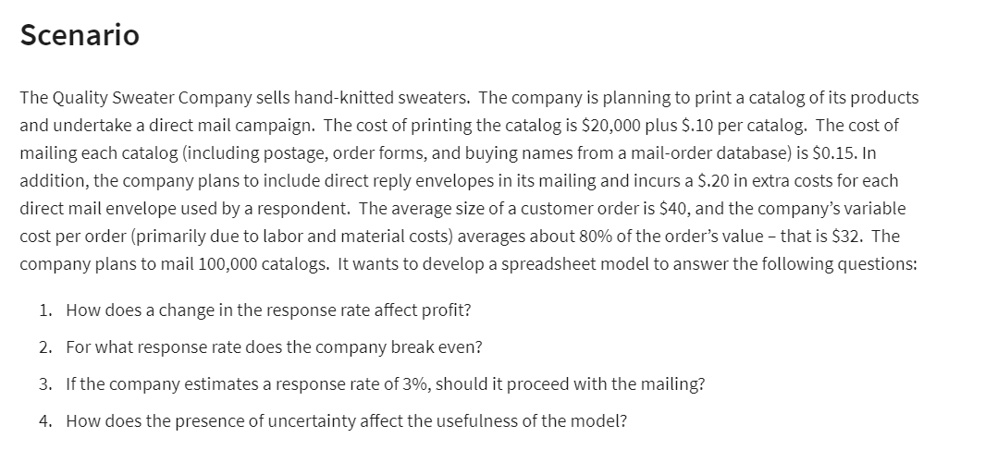
Quality sweater company

Costs |  |  | a) Data table |  | c)
printing | $20,000.00 |  | Response rates | Profit | No
Variable: |  |  |  | $-
Cost per catalog | $0.10 | per catalog | 3.0% | $(21,600)
Mailing each | $0.15 | per catalog | 3.5% | $(17,700)
Reply env | $0.20 | per order | 4.0% | $(13,800)
Labor and material | $32.00 | per order | 4.5% | $(9,900)
Total cost | $230,769 |  | 5.0% | $(6,000)
Catalog ordered | 100,000 |  | 5.5% | $(2,100)
 |  |  | 6.0% | $1,800
response rate | 5.77% |  | 6.5% | $5,700
Total order | 5,769 |  | 7.0% | $9,600
 |  |  | 7.5% | $13,500
REVENUE |  |  | 8.0% | $17,400
Avg customer order | $40.00
Total rev | $230,769.23 | =B17*B14
Response Rate vs Profit
Total cost | $230,769.23
Total profit | $-

Break even point | 5.770%

Sheet4
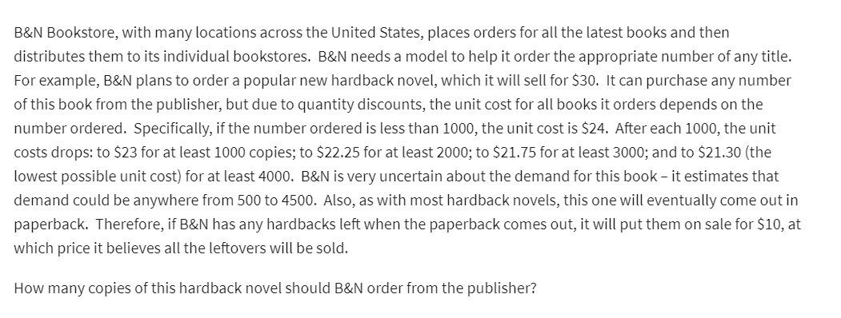
B&N bookstore

 |  |  | atleast
Regular price | $30 |  | Ordered | Cost
Sale price | $10 |  | 0 | 24
 |  |  | 1000 | 23
 |  |  | 2000 | 22.25
 |  |  | 3000 | 21.75
 |  |  | 4000 | 21.3

Demand | 500 | 500-4500
Order | 500

Surplus | 0 | =MAX(B12-B11,0)
Surplus 2 | 0 | =IF(B11>B12,0,B12-B11) |  |  | Demand
 |  |  |  | $3,000 | 500 | 1000 | 1500 | 2000 | 2500 | 3000 | 3500 | 4000 | 4500
Costs | $12,000 | =VLOOKUP(B12,G4:H9,2,TRUE)*B12 | Ordered | 500 | $3,000 | $3,000 | $3,000 | $3,000 | $3,000 | $3,000 | $3,000 | $3,000 | $3,000
 |  |  |  | 1000 | -$3,000 | $7,000 | $7,000 | $7,000 | $7,000 | $7,000 | $7,000 | $7,000 | $7,000
Rev | $15,000 |  |  | 1500 | -$9,500 | $500 | $10,500 | $10,500 | $10,500 | $10,500 | $10,500 | $10,500 | $10,500
 |  |  |  | 2000 | -$14,500 | -$4,500 | $5,500 | $15,500 | $15,500 | $15,500 | $15,500 | $15,500 | $15,500
Profit | $3,000 |  |  | 2500 | -$20,625 | -$10,625 | -$625 | $9,375 | $19,375 | $19,375 | $19,375 | $19,375 | $19,375
 |  |  |  | 3000 | -$25,250 | -$15,250 | -$5,250 | $4,750 | $14,750 | $24,750 | $24,750 | $24,750 | $24,750
 |  |  |  | 3500 | -$31,125 | -$21,125 | -$11,125 | -$1,125 | $8,875 | $18,875 | $28,875 | $28,875 | $28,875
 |  |  |  | 4000 | -$35,200 | -$25,200 | -$15,200 | -$5,200 | $4,800 | $14,800 | $24,800 | $34,800 | $34,800
 |  |  |  | 4500 | -$40,850 | -$30,850 | -$20,850 | -$10,850 | -$850 | $9,150 | $19,150 | $29,150 | $39,150

Sheet6
Price vs demand
month | price | qty
1 | 450 | 45
2 | 300 | 103
3 | 440 | 49
4 | 360 | 86
5 | 290 | 125
6 | 450 | 52
7 | 340 | 87
8 | 370 | 68
9 | 500 | 45
10 | 490 | 44
11 | 430 | 58
12 | 390 | 68

Linear y=mx+c |  | Power y=ax^b |  | Exp y=ae^(bx)
intercept c | 211.31 | const | 5871064 | constant | 466.51
slope | -0.3546 | Power | -1.908 | exponent | -0.005

Predictions based on models |  |  |  |  |  | Absolute percent err

price | Linear | Power | Exponential | qty | linear | power | exp
450 | 51.7 | 50.9 | 49.2 | 45 | 15.0% | 13.0% | 9.3%
300 | 104.9 | 110.2 | 104.1 | 103 | 1.9% | 7.0% | 1.1%
440 | 55.3 | 53.1 | 51.7 | 49 | 12.8% | 8.3% | 5.5%
360 | 83.7 | 77.9 | 77.1 | 86 | 2.7% | 9.5% | 10.3%
290 | 108.5 | 117.6 | 109.4 | 125 | 13.2% | 5.9% | 12.5%
450 | 51.7 | 50.9 | 49.2 | 52 | 0.5% | 2.2% | 5.4%
340 | 90.7 | 86.8 | 85.2 | 87 | 4.3% | 0.2% | 2.0%
370 | 80.1 | 73.9 | 73.4 | 68 | 17.8% | 8.7% | 7.9%
500 | 34.0 | 41.6 | 38.3 | 45 | 24.4% | 7.6% | 14.9%
490 | 37.6 | 43.2 | 40.3 | 44 | 14.6% | 1.7% | 8.5%
430 | 58.8 | 55.5 | 54.3 | 58 | 1.4% | 4.4% | 6.3%
390 | 73.0 | 66.8 | 66.4 | 68 | 7.4% | 1.7% | 2.4%

 |  |  |  | avg | 9.7% | 5.9% | 7.2%

business model |  |  |  |  | price | profit
Unit cost | 250 |  |  |  |  | $1,042,213
Sale price | 530 |  |  |  | 260 | $144,860
demand (00's) | 37 |  |  |  | 270 | $269,591
actual demand | 3722 |  |  |  | 280 | $377,277
 |  |  |  |  | 290 | $470,459
Cost | $930,547.32 |  |  |  | 300 | $551,238
rev | $1,972,760.32 |  |  |  | 310 | $621,370
profit | $1,042,213.00 |  |  |  | 320 | $682,321
 |  |  |  |  | 330 | $735,330
 |  |  |  |  | 340 | $781,443
 |  |  |  |  | 350 | $821,552
 |  |  |  |  | 360 | $856,415
 |  |  |  |  | 370 | $886,685
 |  |  |  |  | 380 | $912,921
 |  |  |  |  | 390 | $935,607
 |  |  |  |  | 400 | $955,163
 |  |  |  |  | 410 | $971,953
 |  |  |  |  | 420 | $986,293
 |  |  |  |  | 430 | $998,462
 |  |  |  |  | 440 | $1,008,702
 |  |  |  |  | 450 | $1,017,226
 |  |  |  |  | 460 | $1,024,222
 |  |  |  |  | 470 | $1,029,857
 |  |  |  |  | 480 | $1,034,276
 |  |  |  |  | 490 | $1,037,609
 |  |  |  |  | 500 | $1,039,973
 |  |  |  |  | 510 | $1,041,469
 |  |  |  |  | 520 | $1,042,188
 |  |  |  |  | 530 | $1,042,213
 |  |  |  |  | 540 | $1,041,616
 |  |  |  |  | 550 | $1,040,462
 |  |  |  |  | 560 | $1,038,809
 |  |  |  |  | 570 | $1,036,711
 |  |  |  |  | 580 | $1,034,213
 |  |  |  |  | 590 | $1,031,360
 |  |  |  |  | 600 | $1,028,187
 |  |  |  |  | 610 | $1,024,731
 |  |  |  |  | 620 | $1,021,022
 |  |  |  |  | 630 | $1,017,088
 |  |  |  |  | 640 | $1,012,955
 |  |  |  |  | 650 | $1,008,644
 |  |  |  |  | 660 | $1,004,178
 |  |  |  |  | 670 | $999,575
 |  |  |  |  | 680 | $994,852
 |  |  |  |  | 690 | $990,023
 |  |  |  |  | 700 | $985,104
 |  |  |  |  | 710 | $980,108
 |  |  |  |  | 720 | $975,044
 |  |  |  |  | 730 | $969,925
 |  |  |  |  | 740 | $964,759
 |  |  |  |  | 750 | $959,555
 |  |  |  |  | 760 | $954,321
 |  |  |  |  | 770 | $949,065
 |  |  |  |  | 780 | $943,792
 |  |  |  |  | 790 | $938,508
 |  |  |  |  | 800 | $933,220
 |  |  |  |  | 810 | $927,930
 |  |  |  |  | 820 | $922,645
 |  |  |  |  | 830 | $917,368
 |  |  |  |  | 840 | $912,103
 |  |  |  |  | 850 | $906,853
 |  |  |  |  | 860 | $901,620
 |  |  |  |  | 870 | $896,408
 |  |  |  |  | 880 | $891,219
 |  |  |  |  | 890 | $886,055
 |  |  |  |  | 900 | $880,918
 |  |  |  |  | 910 | $875,810
 |  |  |  |  | 920 | $870,732

 |  |  |  |  |  | Unit cost
 |  |  |  |  | $1,042,213.00 | 250 | 300 | 350 | 400 | 450 | 500 | 550
 |  |  |  | Price | 260 | $144,860 | $(579,439) | $(1,303,738) | $(2,028,036) | $(2,752,335) | $(3,476,633) | $(4,200,932)
 |  |  |  |  | 270 | $269,591 | $(404,386) | $(1,078,362) | $(1,752,339) | $(2,426,315) | $(3,100,292) | $(3,774,268)
 |  |  |  |  | 280 | $377,277 | $(251,518) | $(880,313) | $(1,509,109) | $(2,137,904) | $(2,766,699) | $(3,395,495)
 |  |  |  |  | 290 | $470,459 | $(117,615) | $(705,688) | $(1,293,761) | $(1,881,834) | $(2,469,908) | $(3,057,981)
 |  |  |  |  | 300 | $551,238 | $- | $(551,238) | $(1,102,477) | $(1,653,715) | $(2,204,954) | $(2,756,192)
 |  |  |  |  | 310 | $621,370 | $103,562 | $(414,246) | $(932,054) | $(1,449,862) | $(1,967,670) | $(2,485,478)
 |  |  |  |  | 320 | $682,321 | $194,949 | $(292,423) | $(779,795) | $(1,267,167) | $(1,754,540) | $(2,241,912)
 |  |  |  |  | 330 | $735,330 | $275,749 | $(183,832) | $(643,414) | $(1,102,995) | $(1,562,576) | $(2,022,157)
 |  |  |  |  | 340 | $781,443 | $347,308 | $(86,827) | $(520,962) | $(955,098) | $(1,389,233) | $(1,823,368)
 |  |  |  |  | 350 | $821,552 | $410,776 | $- | $(410,776) | $(821,552) | $(1,232,328) | $(1,643,104)
 |  |  |  |  | 360 | $856,415 | $467,136 | $77,856 | $(311,424) | $(700,703) | $(1,089,983) | $(1,479,262)
 |  |  |  |  | 370 | $886,685 | $517,233 | $147,781 | $(221,671) | $(591,123) | $(960,575) | $(1,330,027)
 |  |  |  |  | 380 | $912,921 | $561,797 | $210,674 | $(140,449) | $(491,573) | $(842,696) | $(1,193,819)
 |  |  |  |  | 390 | $935,607 | $601,462 | $267,316 | $(66,829) | $(400,975) | $(735,120) | $(1,069,265)
 |  |  |  |  | 400 | $955,163 | $636,776 | $318,388 | $- | $(318,388) | $(636,776) | $(955,163)
 |  |  |  |  | 410 | $971,953 | $668,218 | $364,482 | $60,747 | $(242,988) | $(546,723) | $(850,459)
 |  |  |  |  | 420 | $986,293 | $696,207 | $406,121 | $116,035 | $(174,052) | $(464,138) | $(754,224)
 |  |  |  |  | 430 | $998,462 | $721,111 | $443,761 | $166,410 | $(110,940) | $(388,291) | $(665,641)
 |  |  |  |  | 440 | $1,008,702 | $743,254 | $477,806 | $212,358 | $(53,090) | $(318,537) | $(583,985)
 |  |  |  |  | 450 | $1,017,226 | $762,919 | $508,613 | $254,306 | $- | $(254,306) | $(508,613)
 |  |  |  |  | 460 | $1,024,222 | $780,360 | $536,497 | $292,635 | $48,772 | $(195,090) | $(438,952)
 |  |  |  |  | 470 | $1,029,857 | $795,798 | $561,740 | $327,682 | $93,623 | $(140,435) | $(374,493)
 |  |  |  |  | 480 | $1,034,276 | $809,433 | $584,591 | $359,748 | $134,906 | $(89,937) | $(314,780)
 |  |  |  |  | 490 | $1,037,609 | $821,441 | $605,272 | $389,104 | $172,935 | $(43,234) | $(259,402)
 |  |  |  |  | 500 | $1,039,973 | $831,978 | $623,984 | $415,989 | $207,995 | $- | $(207,995)
 |  |  |  |  | 510 | $1,041,469 | $841,186 | $640,904 | $440,621 | $240,339 | $40,056 | $(160,226)
 |  |  |  |  | 520 | $1,042,188 | $849,190 | $656,193 | $463,195 | $270,197 | $77,199 | $(115,799)
 |  |  |  |  | 530 | $1,042,213 | $856,104 | $669,994 | $483,885 | $297,775 | $111,666 | $(74,444)
 |  |  |  |  | 540 | $1,041,616 | $862,027 | $682,438 | $502,849 | $323,260 | $143,671 | $(35,918)
 |  |  |  |  | 550 | $1,040,462 | $867,051 | $693,641 | $520,231 | $346,821 | $173,410 | $-
 |  |  |  |  | 560 | $1,038,809 | $871,259 | $703,709 | $536,160 | $368,610 | $201,060 | $33,510
 |  |  |  |  | 570 | $1,036,711 | $874,725 | $712,739 | $550,753 | $388,767 | $226,780 | $64,794
 |  |  |  |  | 580 | $1,034,213 | $877,514 | $720,815 | $564,116 | $407,417 | $250,718 | $94,019
 |  |  |  |  | 590 | $1,031,360 | $879,689 | $728,019 | $576,348 | $424,677 | $273,007 | $121,336
 |  |  |  |  | 600 | $1,028,187 | $881,303 | $734,420 | $587,536 | $440,652 | $293,768 | $146,884
 |  |  |  |  | 610 | $1,024,731 | $882,407 | $740,084 | $597,760 | $455,436 | $313,112 | $170,789
 |  |  |  |  | 620 | $1,021,022 | $883,046 | $745,070 | $607,094 | $469,118 | $331,142 | $193,166
 |  |  |  |  | 630 | $1,017,088 | $883,261 | $749,433 | $615,606 | $481,779 | $347,951 | $214,124
 |  |  |  |  | 640 | $1,012,955 | $883,089 | $753,223 | $623,357 | $493,491 | $363,625 | $233,759
 |  |  |  |  | 650 | $1,008,644 | $882,564 | $756,483 | $630,403 | $504,322 | $378,242 | $252,161
 |  |  |  |  | 660 | $1,004,178 | $881,718 | $759,257 | $636,796 | $514,335 | $391,874 | $269,414
 |  |  |  |  | 670 | $999,575 | $880,578 | $761,581 | $642,584 | $523,587 | $404,590 | $285,593
 |  |  |  |  | 680 | $994,852 | $879,171 | $763,491 | $647,810 | $532,130 | $416,449 | $300,769
 |  |  |  |  | 690 | $990,023 | $877,521 | $765,018 | $652,515 | $540,013 | $427,510 | $315,007
 |  |  |  |  | 700 | $985,104 | $875,648 | $766,192 | $656,736 | $547,280 | $437,824 | $328,368
 |  |  |  |  | 710 | $980,108 | $873,574 | $767,041 | $660,507 | $553,974 | $447,440 | $340,907
 |  |  |  |  | 720 | $975,044 | $871,316 | $767,588 | $663,860 | $560,132 | $456,404 | $352,676
 |  |  |  |  | 730 | $969,925 | $868,891 | $767,857 | $666,823 | $565,789 | $464,756 | $363,722
 |  |  |  |  | 740 | $964,759 | $866,314 | $767,869 | $669,425 | $570,980 | $472,535 | $374,090
 |  |  |  |  | 750 | $959,555 | $863,600 | $767,644 | $671,689 | $575,733 | $479,778 | $383,822
 |  |  |  |  | 760 | $954,321 | $860,760 | $767,200 | $673,639 | $580,078 | $486,517 | $392,956
 |  |  |  |  | 770 | $949,065 | $857,809 | $766,552 | $675,296 | $584,040 | $492,784 | $401,527
 |  |  |  |  | 780 | $943,792 | $854,755 | $765,718 | $676,681 | $587,644 | $498,607 | $409,570
 |  |  |  |  | 790 | $938,508 | $851,609 | $764,710 | $677,811 | $590,913 | $504,014 | $417,115
 |  |  |  |  | 800 | $933,220 | $848,381 | $763,543 | $678,705 | $593,867 | $509,029 | $424,191
 |  |  |  |  | 810 | $927,930 | $845,080 | $762,229 | $679,378 | $596,527 | $513,676 | $430,825
 |  |  |  |  | 820 | $922,645 | $841,712 | $760,778 | $679,844 | $598,910 | $517,976 | $437,043
 |  |  |  |  | 830 | $917,368 | $838,285 | $759,201 | $680,118 | $601,035 | $521,951 | $442,868
 |  |  |  |  | 840 | $912,103 | $834,806 | $757,509 | $680,213 | $602,916 | $525,619 | $448,322
 |  |  |  |  | 850 | $906,853 | $831,282 | $755,711 | $680,140 | $604,568 | $528,997 | $453,426
 |  |  |  |  | 860 | $901,620 | $827,717 | $753,814 | $679,910 | $606,007 | $532,104 | $458,200
 |  |  |  |  | 870 | $896,408 | $824,117 | $751,826 | $679,535 | $607,244 | $534,953 | $462,662
 |  |  |  |  | 880 | $891,219 | $820,487 | $749,756 | $679,024 | $608,292 | $537,561 | $466,829
 |  |  |  |  | 890 | $886,055 | $816,832 | $747,609 | $678,386 | $609,163 | $539,940 | $470,717
 |  |  |  |  | 900 | $880,918 | $813,155 | $745,392 | $677,629 | $609,866 | $542,103 | $474,340
 |  |  |  |  | 910 | $875,810 | $809,461 | $743,111 | $676,762 | $610,413 | $544,064 | $477,714
 |  |  |  |  | 920 | $870,732 | $805,752 | $740,772 | $675,792 | $610,812 | $545,832 | $480,852

Sheet5
Year | Year number | Revenue (millions of USD)
2017 | 1 | $218.6 |  | Exp |  | Power
2018 | 2 | $435.0 |  | constant | 103.59 | constant | 170.97
2019 | 3 | $915.0 |  | b | 0.7259 | b | 1.7511
2020 | 4 | $1,825.9
2021 | 5 | $4,021.8
2022 | 6 | $3,582.1

Actual data |  | Forecast |  | Absulute percent error
Year number | Revenue (millions of USD) | Exponential | Power | Exponential | Power
1 | 218.6 | 214.08 | 170.97 | 2% | 22%
2 | 435.0 | 442.41 | 575.51 | 2% | 32%
3 | 915.0 | 914.28 | 1170.60 | 0% | 28%
4 | 1825.9 | 1889.45 | 1937.26 | 3% | 6%
5 | 4021.8 | 3904.72 | 2863.43 | 3% | 29%
6 | 3582.1 | 8069.45 | 3940.40 | 125% | 10%
 |  |  | avg | 23% | 21%

EXP fn

Year number | Exp rev
1 | 214.1
2 | 442.4
3 | 914.3
4 | 1889.4
5 | 3904.7
6 | 8069.5 | 2022
7 | 16676.2 | 2023

Sheet7
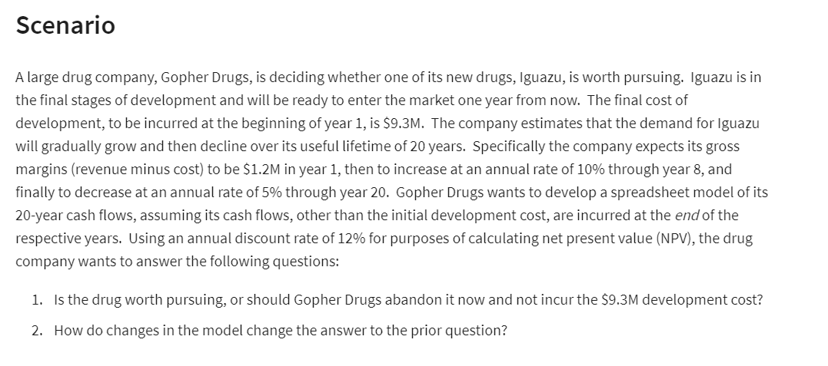
Gopher Drugs
 |  |  |  | Cash flows
Development cost | 9.3 | million |  | End of year | gross margin ($M)
lifetime | 20 | years |  | 1 | $1.20
year 1 margin | 1.2 | million |  | 2 | $1.26 | =IF(E5<$B$6,F4+F4*$B$7,F4-F4*$B$8)
inc thru year | 7 | years |  | 3 | $1.32 | =IF(E6<$B$6,F5+F5*$B$7,F5-F5*$B$8)
rate of increase | 5% |  |  | 4 | $1.39 | =IF(E7<$B$6,F6+F6*$B$7,F6-F6*$B$8)
rate of dec | 6% |  |  | 5 | $1.46 | =IF(E8<$B$6,F7+F7*$B$7,F7-F7*$B$8)
discount rate | 12% |  |  | 6 | $1.53 | =IF(E9<$B$6,F8+F8*$B$7,F8-F8*$B$8)
 |  |  |  | 7 | $1.44 | =IF(E10<$B$6,F9+F9*$B$7,F9-F9*$B$8)
 |  |  |  | 8 | $1.35 | =IF(E11<$B$6,F10+F10*$B$7,F10-F10*$B$8)
(Net) Present Value | $9.30 |  |  | 9 | $1.27 | =IF(E12<$B$6,F11+F11*$B$7,F11-F11*$B$8)
Development cost | 9.3 |  |  | 10 | $1.20
NPV | ($0.00) |  |  | 11 | $1.12
 |  |  |  | 12 | $1.06
 |  |  |  | 13 | $0.99
 |  |  |  | 14 | $0.93
 |  |  |  | 15 | $0.88
 |  |  |  | 16 | $0.82
 |  |  |  | 17 | $0.78
 |  |  |  | 18 | $0.73
 |  |  |  | 19 | $0.69
 |  |  |  | 20 | $0.64

 |  | Year | Cash inflows
 |  | 1 | 30000
 |  | 2 | 65000
 |  | 3 | 80000
 |  | 4 | 75000
 |  | 5 | 55000

Investment | 150000
discount rate | 15%

NPV | $198,064
Investment | $150,000
NPV | $48,064

Sheet8
Annual Sales over time
Year | Year number | Average of Seasonally Adjusted Sales | % growth | Exp | Absolute error
1992 | 1 | $150,781.2 | - | $165,143.7 | 8.7%
1993 | 2 | $161,696.3 | 7.2% | $172,399.7 | 6.2%
1994 | 3 | $175,688.8 | 8.7% | $179,974.6 | 2.4%
1995 | 4 | $185,437.3 | 5.5% | $187,882.3 | 1.3%
1996 | 5 | $196,728.2 | 6.1% | $196,137.5 | 0.3%
1997 | 6 | $206,334.1 | 4.9% | $204,755.3 | 0.8%
1998 | 7 | $215,657.7 | 4.5% | $213,751.9 | 0.9%
1999 | 8 | $233,872.0 | 8.4% | $223,143.7 | 4.8%
2000 | 9 | $248,748.3 | 6.4% | $232,948.1 | 6.8%
2001 | 10 | $255,663.8 | 2.8% | $243,183.4 | 5.1%
2002 | 11 | $261,272.4 | 2.2% | $253,868.3 | 2.9%
2003 | 12 | $272,232.5 | 4.2% | $265,022.8 | 2.7%
2004 | 13 | $288,987.5 | 6.2% | $276,667.3 | 4.5%
2005 | 14 | $307,826.1 | 6.5% | $288,823.5 | 6.6%
2006 | 15 | $323,823.1 | 5.2% | $301,513.8 | 7.4%
2007 | 16 | $334,008.0 | 3.1% | $314,761.7 | 6.1%
2008 | 17 | $328,780.3 | -1.6% | $328,591.7 | 0.1%
2009 | 18 | $303,288.9 | -7.8% | $343,029.3 | 11.6% | Exp
2010 | 19 | $323,964.2 | 6.8% | $358,101.3 | 9.5% | Constant | 158193
2011 | 20 | $349,717.8 | 7.9% | $373,835.5 | 6.5% | b | 0.043
2025 | 34 |  |  | $682,536.4
2050 | 59 |  |  | $1,999,826.7

 |  | Avg | 4.6% |  | 4.8%

TOY COMPANY

Cost | 4 |  | Year
VC | 1000000 |  | 1
SG&A | 800000 |  | 2
Decrease | 2% |  | 3
 |  |  | 4
Sales | 80000 |  | 5
sale price | 25

Revenue | 2000000

